WHEEL DIMENSION REFERENCE
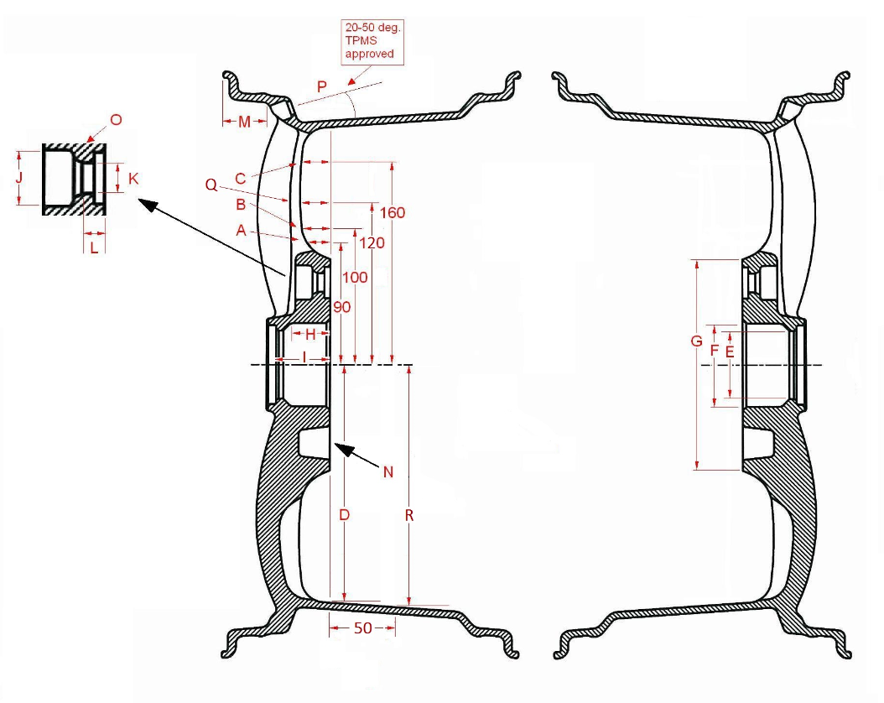
REFERENCE POINT ON ILLUSTRATION | DESCRIPTION | OUTPUT VALUE | PURPOSE
A | Spoke depth (from mounting pad plane) at 90mm from center. | In MM. Round to nearest whole # | Used to verify brake caliper clearance to wheel spoke. For wheels that do not have a 90mm value, default to 3.
B | Spoke depth (from mounting pad plane) at 100mm from center. | In MM. Round to nearest whole # | Used to verify brake caliper clearance to wheel spoke. For wheels that do not have a 100mm value, default to 3.
C | Spoke depth (from mounting pad plane) at 160mm from center. | In MM. Round to nearest whole # | Used to verify brake caliper clearance to wheel spoke. For wheels that do not have a 160mm value, default to 3.
D | Wheel inner radius (on mounting pad plane) from center. | In MM. Round to nearest whole # | Used to verify brake caliper clearance to wheel inner barrel.
E | Hub Step Diameter - First step down diameter in wheel centerbore. | In MM. Round to nearest whole # | Used to verify stub axle, hub, or dust cap clearance.
F | Hub Bore | In MM. 2 decimal places allowed. At least 1 decimal place recommended. | Used to determine correct hub ring.
G | Mounting Pad Diameter | In MM. Round to nearest whole # | Used to verify brake caliper clearance to wheel spoke/mounting pad.
H | Hub Depth (from mounting pad plane) to first step down (defined above) in wheel centerbore | In MM. Round to nearest whole # | Used to verify vehicle hub bore clearance to wheel bore.
I | Hub Clearance - Depth (from mounting pad plane) at the center of wheel, to back of cap (first obstruction) | In MM. Round to nearest whole # | Used to verify stub axle, hub, or dust cap clearance.
J | Wheel Lug Type - lug nut bore (Acorn,Small dia.) | (A,S,OA,OS) | Used to determine correct lug nut size. For bores <25mm, "S" should be entered. For bores >=25mm, "A" should be entered. If open end is required, choose the "OS" or "OA". List only the worst case scenario.
K | Lug Hold Diameter - stud bore | In MM. 1 decimal place allowed. | Used to determine stud diameter clearance and application of et lugs if needed. List only the worst case scenario
L | Mounting Pad Thickness - depth from mounting pad plane, to beginning of lug seat. | In MM. Round to nearest whole # | Used to determine length of nut or bolt needed for correct engagement. List only the worst case scenario
M | Wheel Lip Depth - depth from outer flange to beginning of spoke. (in MM) | In MM. Round to nearest whole # | Used to market specific this design feature
N | Cavity Backed - Do pockets exist between lug holes? (Y/N) | (Y,N) | Used to determine fitment to vehicles that have bolt heads on the mounting pad that are not recommended to be removed. Dual drill wheels are always "N"
O | Wheel Lug Seat Type - Cone, Ball, Short Shank. | (A,B,SS) | Used to determine lug nut seat type. Cone seat = A Ball seat = B Short shank = SS
P | TPMS Ready - Is valve hole at a TPMS friendly angle? (Y/N) (20 to 50 degree angle from valve hole and base of drop center) | (Y,N) | Used to determine if wheel will properly place TPMS sensor in drop center. Valve holes that are at 20-50 deg. = Y
Q | Spoke depth (from mounting pad plane) at 120mm from center. | In MM. Round to nearest whole # | Used to verify brake caliper clearance to wheel spoke. For wheels that do not have a 120mm value, default to 3.
R | R - Wheel inner radius (measured 50mm behind mounting pad plane) from center. | In MM. Round to nearest whole # | Used to verify brake caliper clearance to wheel inner barrel.

